Open Division
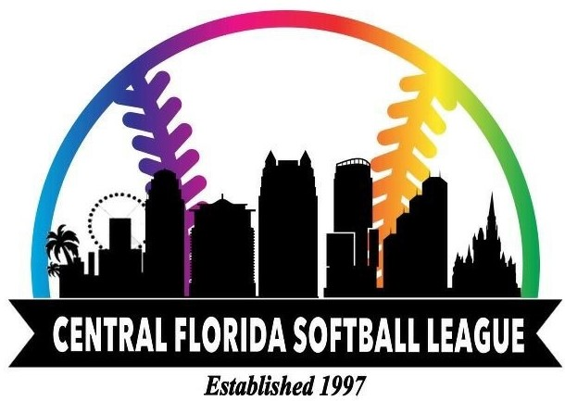
Instructions:
Prior to completing this form, please read the CFSL League Guidelines and the iPrideSoftball Ratings Guidelines
Complete “Team Name” field and Division Field
Do not change “Team Rating” field. This will automatically calculate.
Enter the Fisrt Name, Last Name, Email Address, DOB, LGBTQ Status, Denote New Player, & PIP Status.
Enter a “1” for each question you believe the respective player should be awarded. Otherwise leave blank
Sign and date

 | Team Name |  |  |  | Division: |  |  |  |  |  |  |  |  |  |  |  |  |  |  |  |  |  |  |  |  |  |  |  | Team Rating: |  |  |  |  | 0

 | First Name | Last Name | Email Address | DOB | LGBTQ+ Status | New Player | PIP | Hitting |  |  |  |  | Modified Batting Avg |  |  |  | Running |  |  | Fielding |  |  |  |  |  |  |  | Throwing and Pitching |  |  |  |  |  | Player Rating
 |  |  |  |  |  |  |  | 1 | 2 | 3 | 4 | 5 | 6 | 7 | 8 | 9 | 10 | 11 | 12 | 13 | 14 | 15 | 16 | 17 | 18 | 19 | 20 | 21 | 22 | 23 | 24 | 25 | 26
1 |  |  |  |  |  |  |  |  |  |  |  |  |  |  |  |  |  |  |  |  |  |  |  |  |  |  |  |  |  |  |  |  |  | 0
2 |  |  |  |  |  |  |  |  |  |  |  |  |  |  |  |  |  |  |  |  |  |  |  |  |  |  |  |  |  |  |  |  |  | 0
3 |  |  |  |  |  |  |  |  |  |  |  |  |  |  |  |  |  |  |  |  |  |  |  |  |  |  |  |  |  |  |  |  |  | 0
4 |  |  |  |  |  |  |  |  |  |  |  |  |  |  |  |  |  |  |  |  |  |  |  |  |  |  |  |  |  |  |  |  |  | 0
5 |  |  |  |  |  |  |  |  |  |  |  |  |  |  |  |  |  |  |  |  |  |  |  |  |  |  |  |  |  |  |  |  |  | 0
6 |  |  |  |  |  |  |  |  |  |  |  |  |  |  |  |  |  |  |  |  |  |  |  |  |  |  |  |  |  |  |  |  |  | 0
7 |  |  |  |  |  |  |  |  |  |  |  |  |  |  |  |  |  |  |  |  |  |  |  |  |  |  |  |  |  |  |  |  |  | 0
8 |  |  |  |  |  |  |  |  |  |  |  |  |  |  |  |  |  |  |  |  |  |  |  |  |  |  |  |  |  |  |  |  |  | 0
9 |  |  |  |  |  |  |  |  |  |  |  |  |  |  |  |  |  |  |  |  |  |  |  |  |  |  |  |  |  |  |  |  |  | 0
10 |  |  |  |  |  |  |  |  |  |  |  |  |  |  |  |  |  |  |  |  |  |  |  |  |  |  |  |  |  |  |  |  |  | 0
11 |  |  |  |  |  |  |  |  |  |  |  |  |  |  |  |  |  |  |  |  |  |  |  |  |  |  |  |  |  |  |  |  |  | 0
12 |  |  |  |  |  |  |  |  |  |  |  |  |  |  |  |  |  |  |  |  |  |  |  |  |  |  |  |  |  |  |  |  |  | 0
13 |  |  |  |  |  |  |  |  |  |  |  |  |  |  |  |  |  |  |  |  |  |  |  |  |  |  |  |  |  |  |  |  |  | 0
14 |  |  |  |  |  |  |  |  |  |  |  |  |  |  |  |  |  |  |  |  |  |  |  |  |  |  |  |  |  |  |  |  |  | 0
15 |  |  |  |  |  |  |  |  |  |  |  |  |  |  |  |  |  |  |  |  |  |  |  |  |  |  |  |  |  |  |  |  |  | 0
16 |  |  |  |  |  |  |  |  |  |  |  |  |  |  |  |  |  |  |  |  |  |  |  |  |  |  |  |  |  |  |  |  |  | 0
17 |  |  |  |  |  |  |  |  |  |  |  |  |  |  |  |  |  |  |  |  |  |  |  |  |  |  |  |  |  |  |  |  |  | 0
18 |  |  |  |  |  |  |  |  |  |  |  |  |  |  |  |  |  |  |  |  |  |  |  |  |  |  |  |  |  |  |  |  |  | 0
19 |  |  |  |  |  |  |  |  |  |  |  |  |  |  |  |  |  |  |  |  |  |  |  |  |  |  |  |  |  |  |  |  |  | 0
20 |  |  |  |  |  |  |  |  |  |  |  |  |  |  |  |  |  |  |  |  |  |  |  |  |  |  |  |  |  |  |  |  |  | 0

 | I certify that the information provided on this roster is complete and accurate, and that all listed players are eligible members of our local team and the CFSL. I also confirm that I have read and understand the CFSL League Guidelines.

 | Manager Signature: |  |  |  |  |  |  |  |  |  |  |  |  |  |  |  |  |  |  |  |  |  | Submission Date:

