Sheet1
Seller Name | 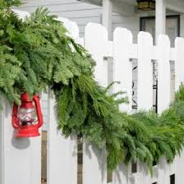 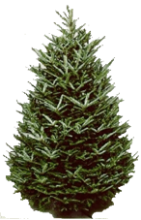
Division
Phone
 | BOW | Mixed Wreaths |  |  |  | Swag | Cane | Garland |  |  | BB | JOY | Trees | Custom
 | $4.00 | 22" $40.00 | 30" $53.00 | 40" $106.00 | 48" $155.00 | Swag $28.00 | Cane $53.00 | 15' $43.00 | 25' $69.00 | 75' $187.00 | $41.00 | $17.00 | Promo Trees 6-8' $115 |  | TOTAL
Customer Name, Address, Phone |  |  |  |  |  |  |  |  |  |  |  |  |  | Donations
 |  |  |  |  |  |  |  |  |  |  |  |  |  |  | $0.00
 |  |  |  |  |  |  |  |  |  |  |  |  |  |  | $0.00
 |  |  |  |  |  |  |  |  |  |  |  |  |  |  | $0.00
 |  |  |  |  |  |  |  |  |  |  |  |  |  |  | $0.00
 |  |  |  |  |  |  |  |  |  |  |  |  |  |  | $0.00
 |  |  |  |  |  |  |  |  |  |  |  |  |  |  | $0.00
 |  |  |  |  |  |  |  |  |  |  |  |  |  |  | $0.00
 |  |  |  |  |  |  |  |  |  |  |  |  |  |  | $0.00
 |  |  |  |  |  |  |  |  |  |  |  |  |  |  | $0.00
 |  |  |  |  |  |  |  |  |  |  |  |  |  |  | $0.00
 |  |  |  |  |  |  |  |  |  |  |  |  |  |  | $0.00
TOTAL | 0 | 0 | 0 | 0 | 0 | 0 | 0 | 0 | 0 | 0 | 0 | 0 | 0 |  | $0.00

