Cheer
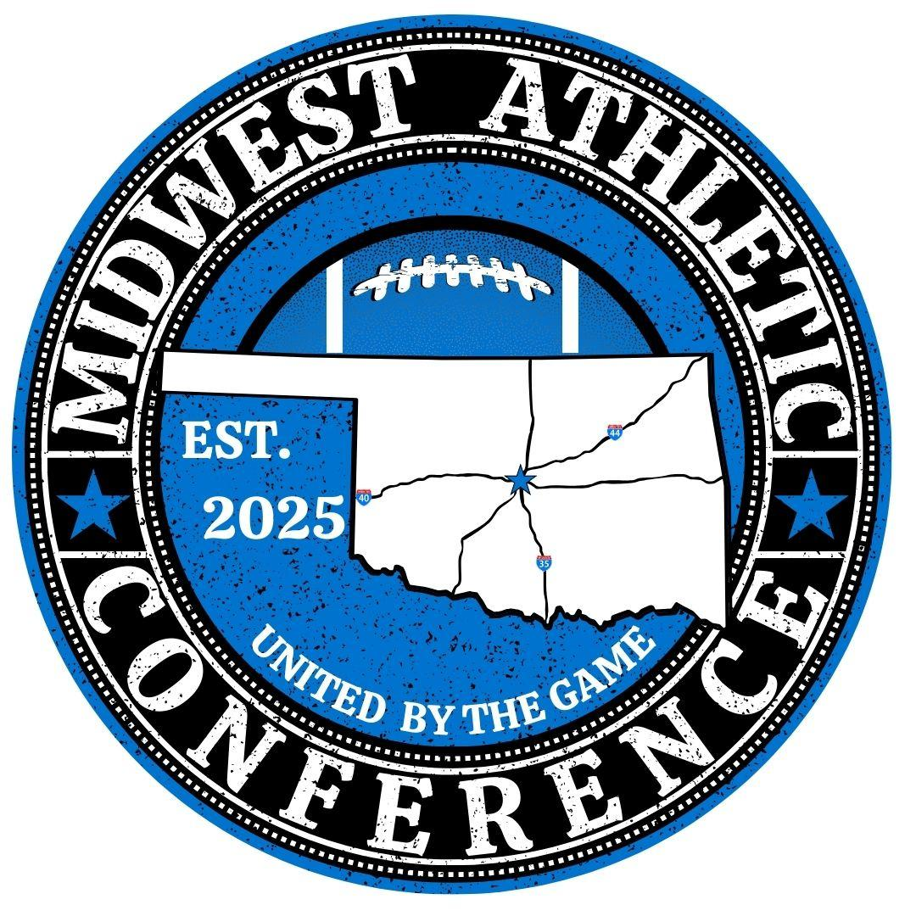
OFFICIAL Midwest Athletic Conference (MAC)

Gameday Roster
Cheer

 |  | Organization Name:
 |  | Organization Director:
 |  | Team Name:
 |  | Head Coach: |  | Cell:
 |  | Asst. Coach:
 |  | Asst. Coach:
 |  | Asst. Coach:
 |  | Asst. Coach:

 | Players Last Name |  | Players First Name | DOB | Grade
 | Last |  | First | MM/DD/YYYY | 3rd

