Sheet1
2022 SAHOF High School Championships
DEADLINE TO ORDER: FEBRUARY 7, 2022
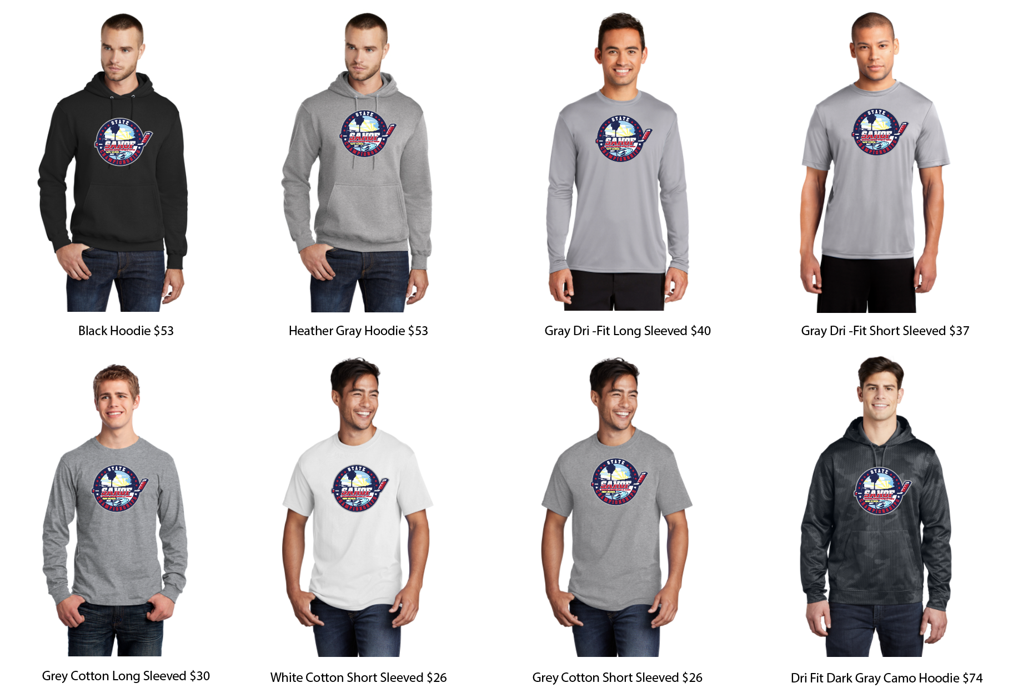

Positions logos or "Champion" logo, can be placed on a LONG sleeve, Hip or back (center back or above a number or roster). Approxibilty 10.5" long) $6 each:

Sleeve Print: (3.5" width): US Flag-$6 each. |  | Sleeve Print: (4" width): Numbers-$6 per set) |  |  | Back Print - (6" height) $10 per set. |  | Front Print: Included at no extra charge |  |  |  | This is an example of what the roster will look like on the back of the shirt. A MINIMUM OF 8 ROSTERS MUST BE ORDERED PER TEAM TO GET THE ROSTER. $10 each
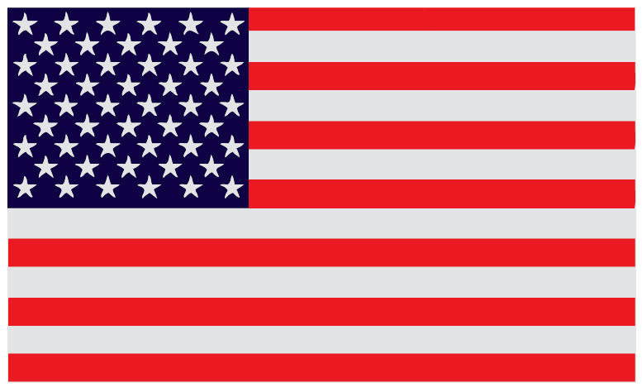 |  | 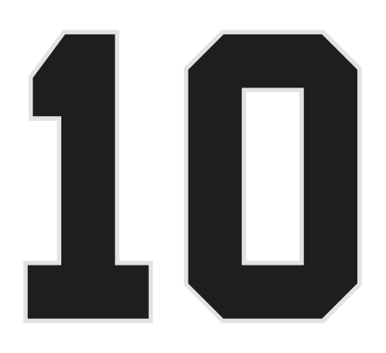 |  |  |  |  | 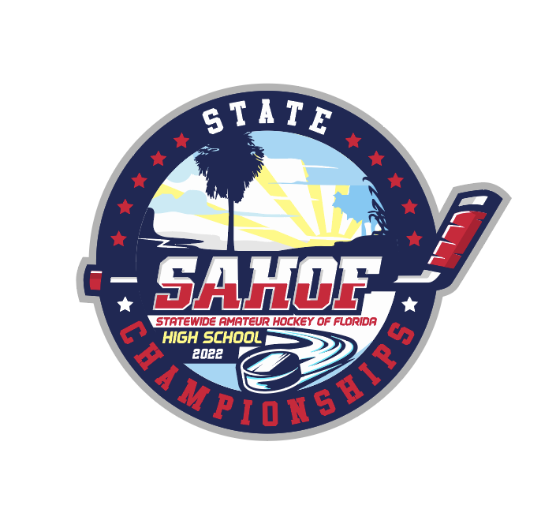 |  |  |  | 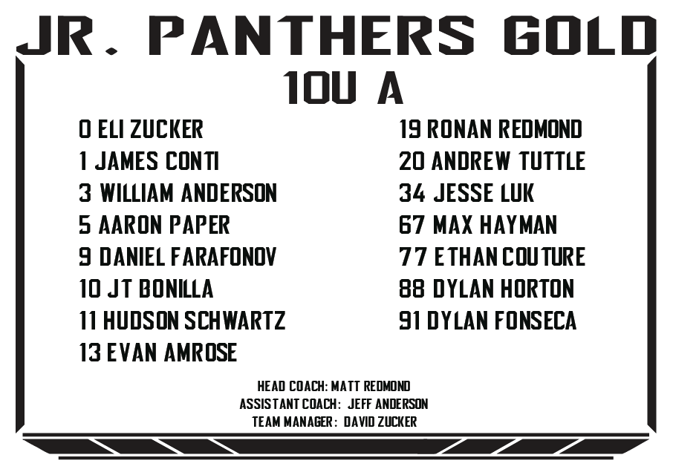

Team name:
Division and age group:

Athelete number: | Name of Athlete: | Shirt style | shirt price | size (Youth Small to Youth Large; Adult Small to Adult 3XL) | Left sleeve | Left sleeve - Price | right sleeve | Right sleeve - Price | Back Number | Back Number - Price | Back Roster (MINIMUM OF 10 ROSTERS MUST BE ORDERED): | NOTES

Head Coach:
Assistant coach
Team manager

Email the filled out order form to Katia@finedesigns.com, and you will receive an invoice in your email from Square, where you'll be able to pay with a credit or debit card. (Full payment is required to begin production on the order)
Name, phone number, and Email of person who will pickup the order:
Orders can be picked up onsite or shipped for an additional charge of $20
SHIPPING ADDRESS:

