Large Size Description Sheet
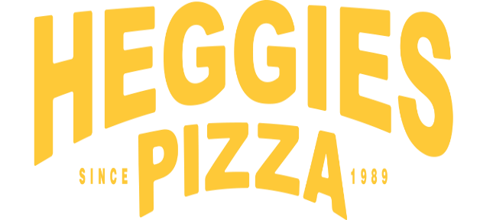

Large 12" | Number of Pizzas Ordered | Price per Pizza | Total
Double Cheese The ultimate cheese-lover's pizza, topped with cheddar and mozzarella. |  | $11.30 | $0.00
Sausage Made with sausage and mozzarella cheese. | 0 | $11.30 | $0.00
Pepperoni Covered from edge to edge with pepperoni and mozzarella cheese. | 0 | $11.30 | $0.00
Sausage and Pepperoni Featuring sausage, pepperoni and mozzarella cheese. | 0 | $12.30 | $0.00
Sausage and Mushroom Loaded up with sausage, mushrooms and mozzarella cheese. | 0 | $12.30 | $0.00
Inferno For those who like it spicy, a combo of sausage, pepperoni, mozzarella and just enough jalapeños to keep things interesting. | 0 | $12.30 | $0.00
Deluxe Combo Made with sausage, pepperoni, onions, mushrooms and the freshest diced green peppers. Topped with plenty of mozzarella cheese. | 0 | $13.35 | $0.00
Six Pack Made with 4 meats and 2 cheeses. Loaded with sausage, pepperoni, Canadian bacon, bacon, cheddar and mozzarella. | 0 | $13.35 | $0.00
BCB A Bacon Cheese Burger pizza topped with Beef, Cheese, & Bacon. |  | $13.35
Chicken Alfredo Made with garlic chicken, creamy alfredo sauce and mozzarella cheese on a thick, seasoned, hand-stretched crust. | 0 | $13.35 | $0.00
Breakfast Pizza Country Sausage, Bacon, Scrambled Eggs, Green Onions, Cheddar & Mozzarella Cheeses with Country Gravy | 0 | $13.35 | $0.00
Cauliflower Crust Sausage & Pepperoni Cauliflower crust pizza topped with sausage, pepperoni and mozzarella cheese |  | $13.35 | $0.00
Cauliflower Crust Margherita Cauliflower crust pizza topped with tomato, basil, garlic and sliced mozzarella cheese |  | $13.35 | $0.00
El Jefe A Mexican style pizza topped with Chorizo, Jalapenos, Black Olives, Green Onions, Mozzarella & Cheddar Cheeses. |  | $13.35

Please make all checks payable to: | Minnesota Sting or Venmo to @MNBombers
Thank You for your support!
Contact Information: | Organization/School | Minnesota Sting
Turn In Date: | Contact Person | Heidi Holste - hholste@holsteconsulting.com
0 | Phone Number | 612.708.1982

