12u
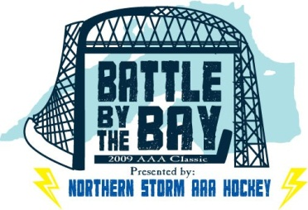

 |  | Battle by the Bay 12u Level Schedule

Team | Name | Wins | Loss | Ties | Points | Seed
A | Northern Storm | I | I | I | 3 | 3
B | Rapid Fire | II | I |  | 4 | 2
C | Ice Bandits | I | III |  | 2 | 5
D | Thunder Bay Thunder | I | I | I | 3 | 4
E | Jr. Badgers 12U | III |  |  | 6 | 1
F | Jr. Badgers Minor |  | III |  | 0 | 6

 |  | Pool Play Games
Date | Arena | Time | Home | Away | Score
Friday June 8, 2012 | Hermantown | 17:00:00 | A | D | 4-4
June 8, 2012 | Hermantown | 18:40:00 | B | E | 0-6
June 8, 2012 | Hermantown | 20:20:00 | C | F | 6-2
Saturday June 9, 2012 | Heritage | 10:00:00 | A | E | 1-4
June 9, 2012 | Heritage | 11:40:00 | F | B | 1-8
June 9, 2012 | Hermantown | 13:20:00 | D | C | 3-2
June 9, 2012 | Mars | 16:15:00 | A | F | 4-1
June 9, 2012 | Mars | 17:40:00 | B | D | 3-0
June 9, 2012 | Mars | 19:20:00 | C | E | 3-4

 |  | Final Round Games
Date | Arena | Time | Home | Away | Score
Sunday June 10, 2012 | Hermantown | 9:00:00 | Bandits | Badgers Minor | 9-2
June 10, 2012 | Hermantown | 10:40:00 | Storm | Thunder | 4-5 (SO) | 3rd Place
June 10, 2012 | Hermantown | 12:20:00 | Badgers 12U | Rapid Fire | 4-3 | Championship

